EVD_OPL 11-01
Test Case ID | OPL11-01 Tax-Withholding settlement
Test Case Summary | Lakukan Post Withholding Settelment untuk satu Invoice

Step # | Test Evidence | Re-Test Evidence (if found Bug/Issue)
1
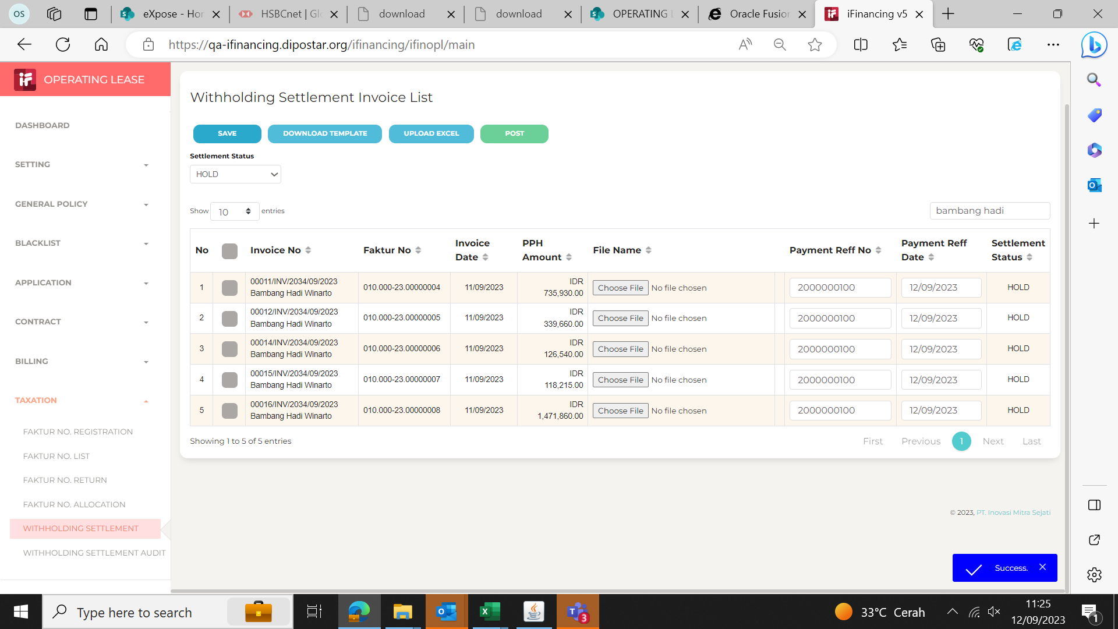
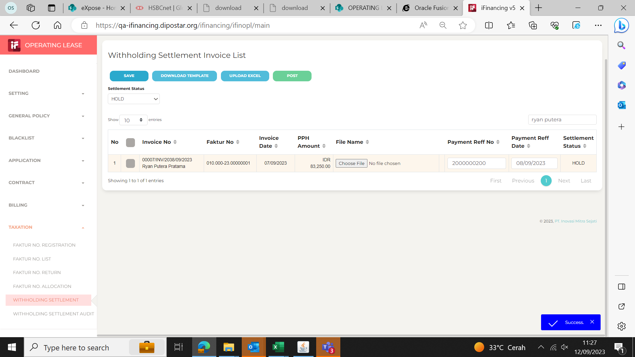

2

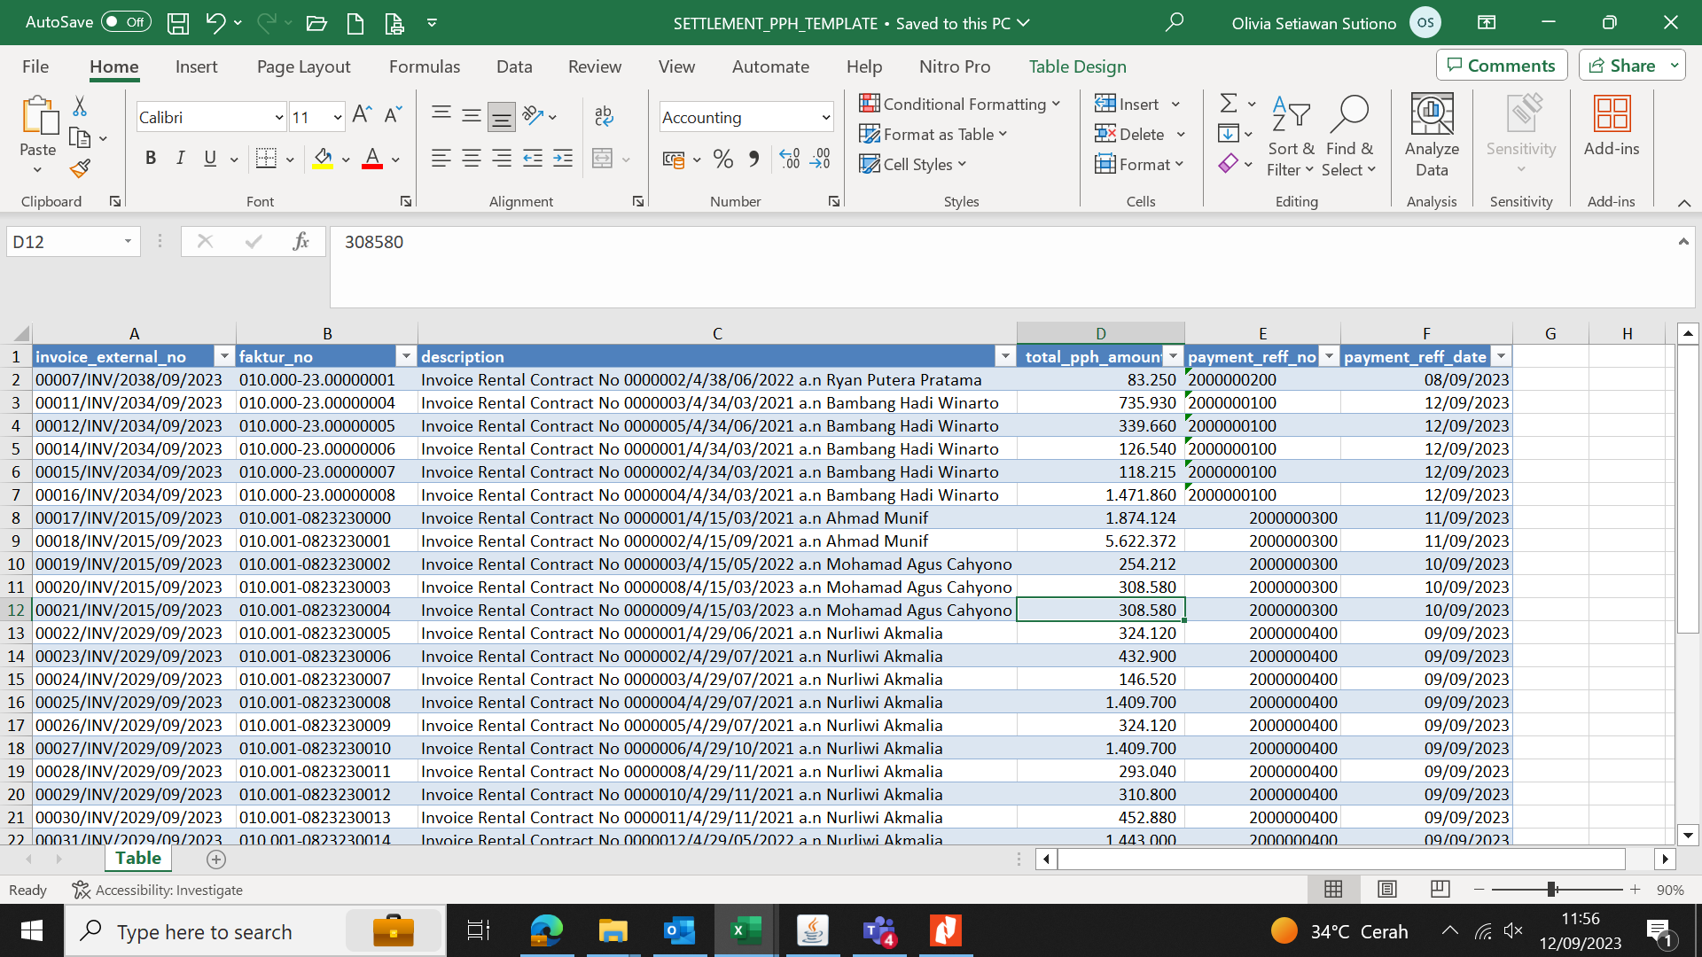

3

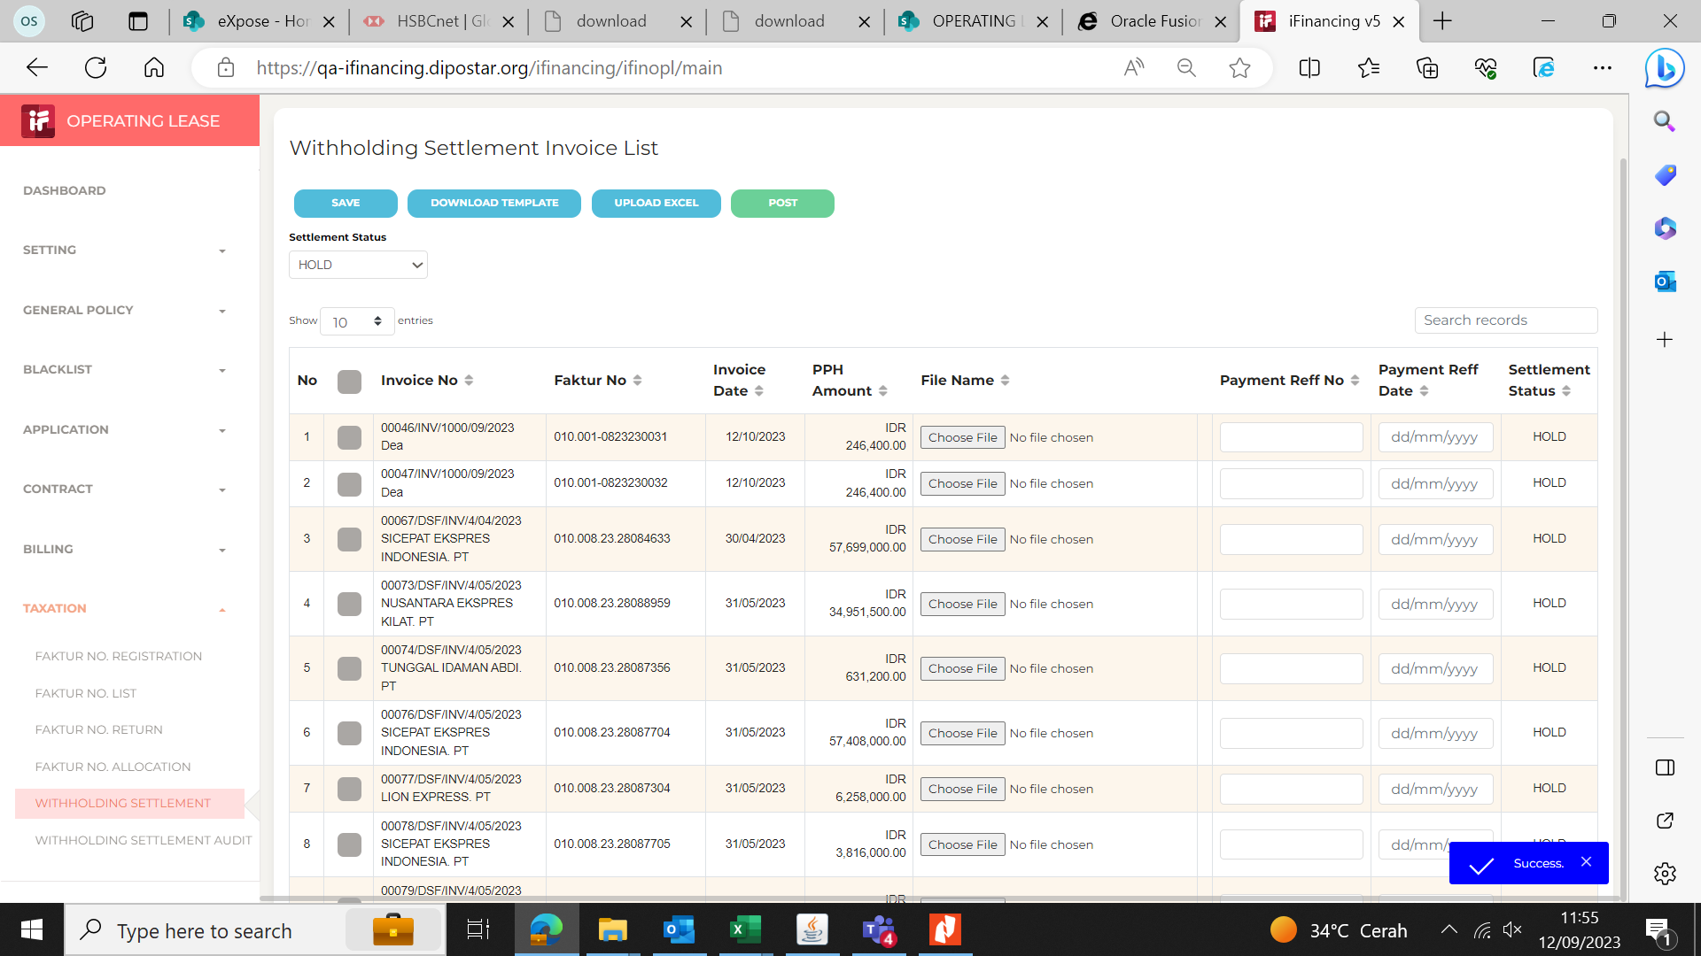

4

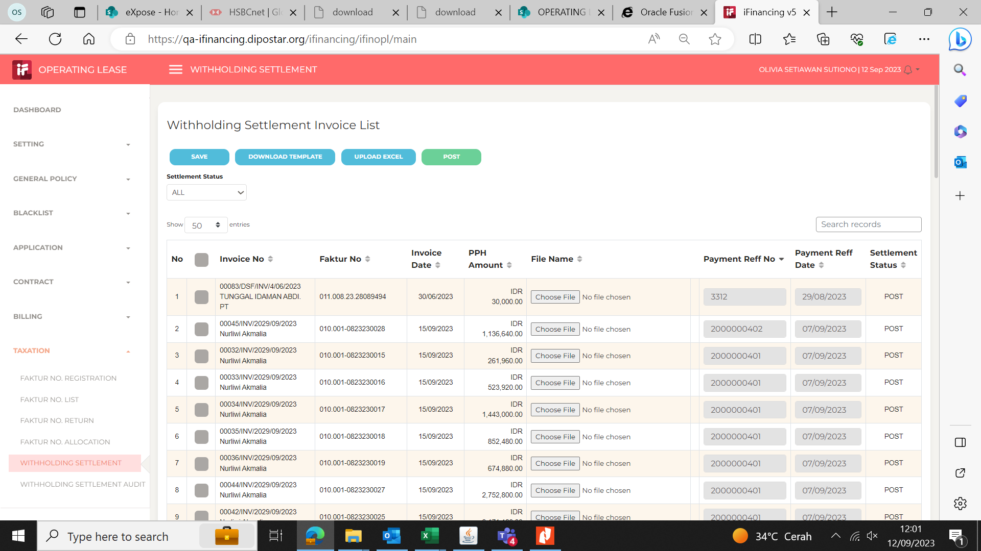

5

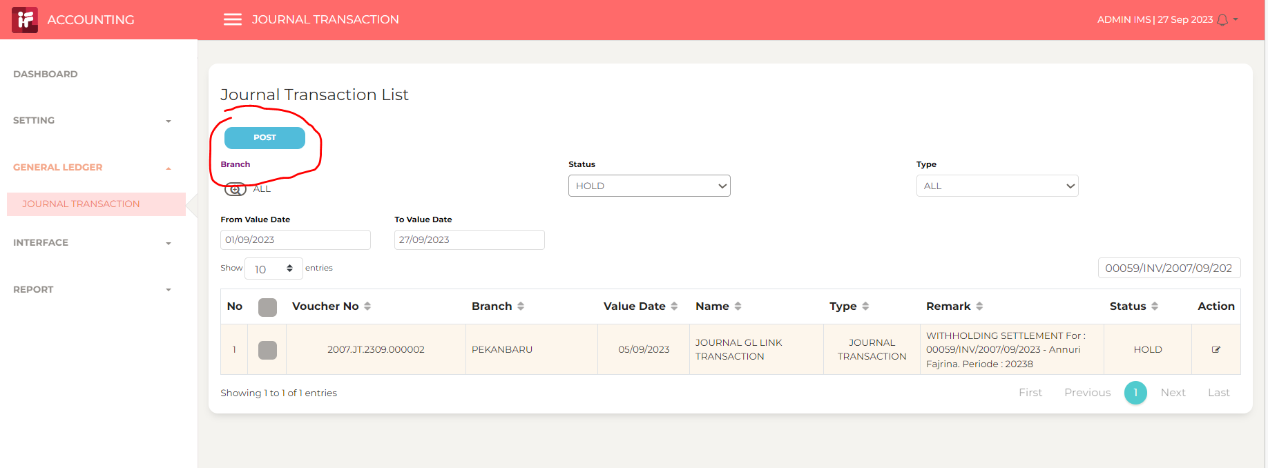

6

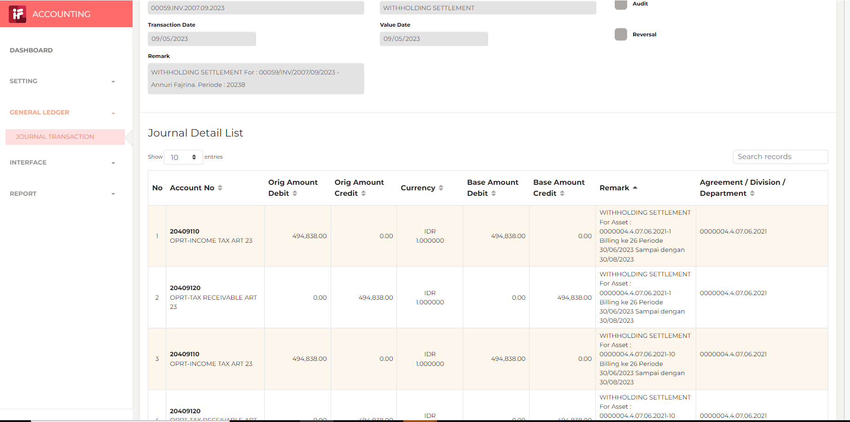

7

8

9

10

11

13

14

15

16

17

18

19

20

21

22

36

37

38

39

41

43

44

45

46

EVD_OPL 11-01 (GINA)
Test Case ID | OPL11-01 Tax-Withholding settlement
Test Case Summary | Lakukan Post Withholding Settelment untuk satu Invoice

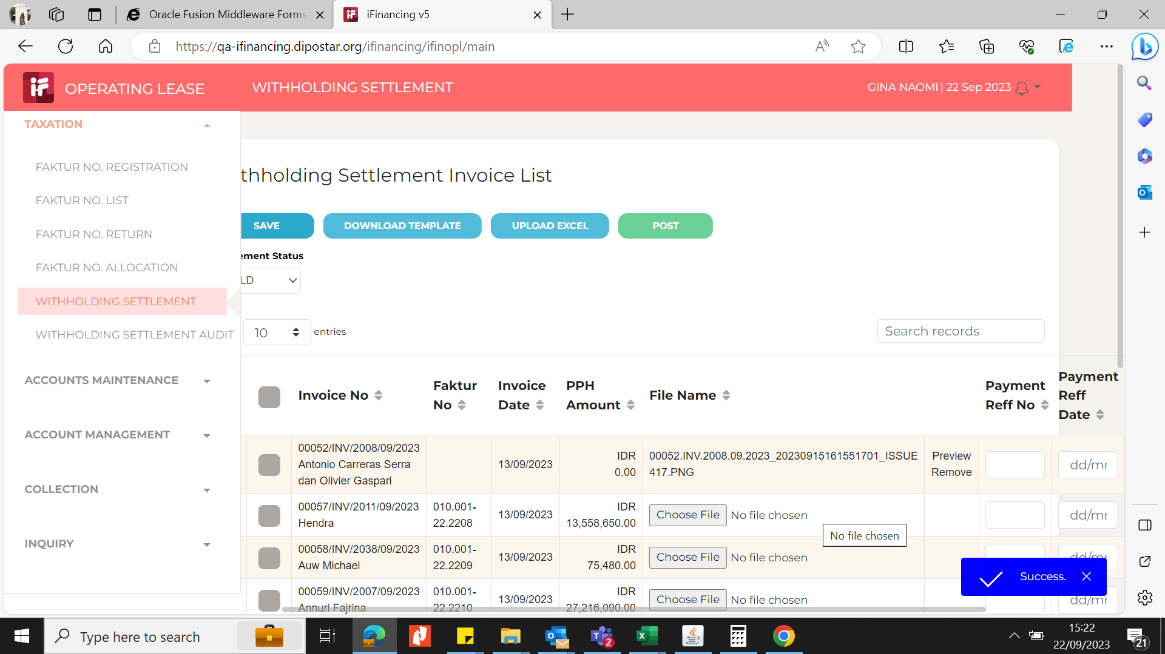
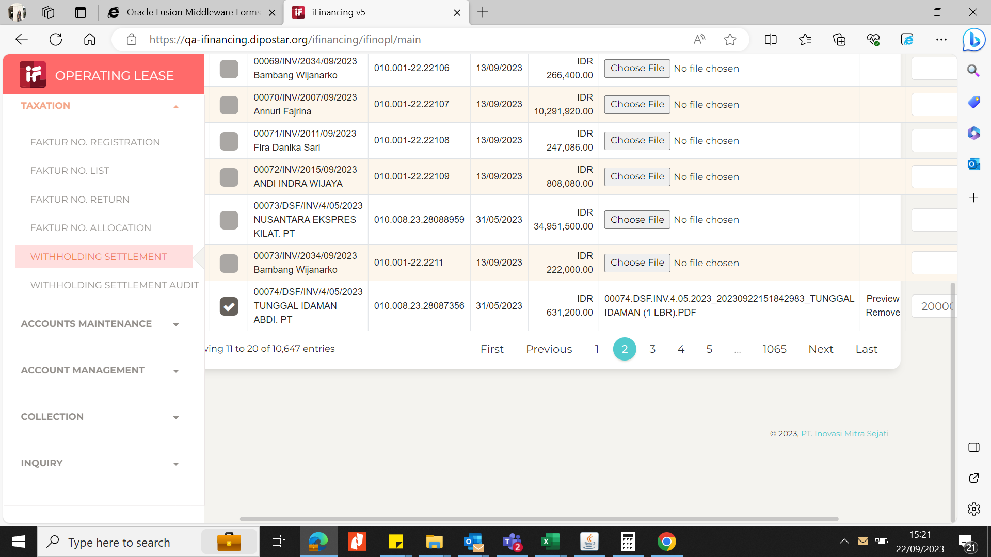
Step # | Test Evidence | Re-Test Evidence (if found Bug/Issue)
1

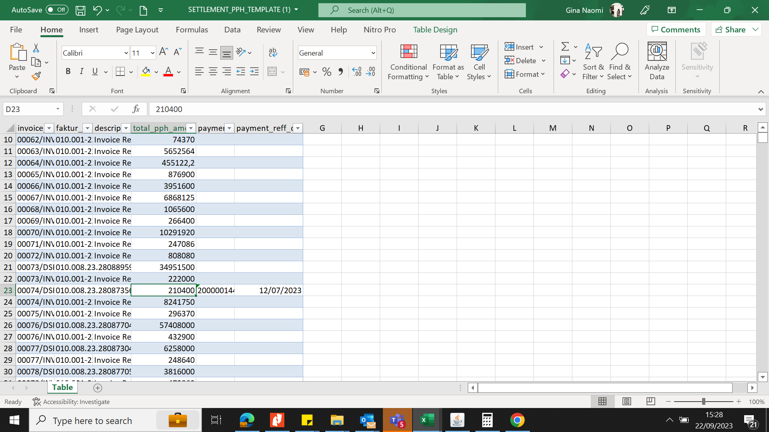
2

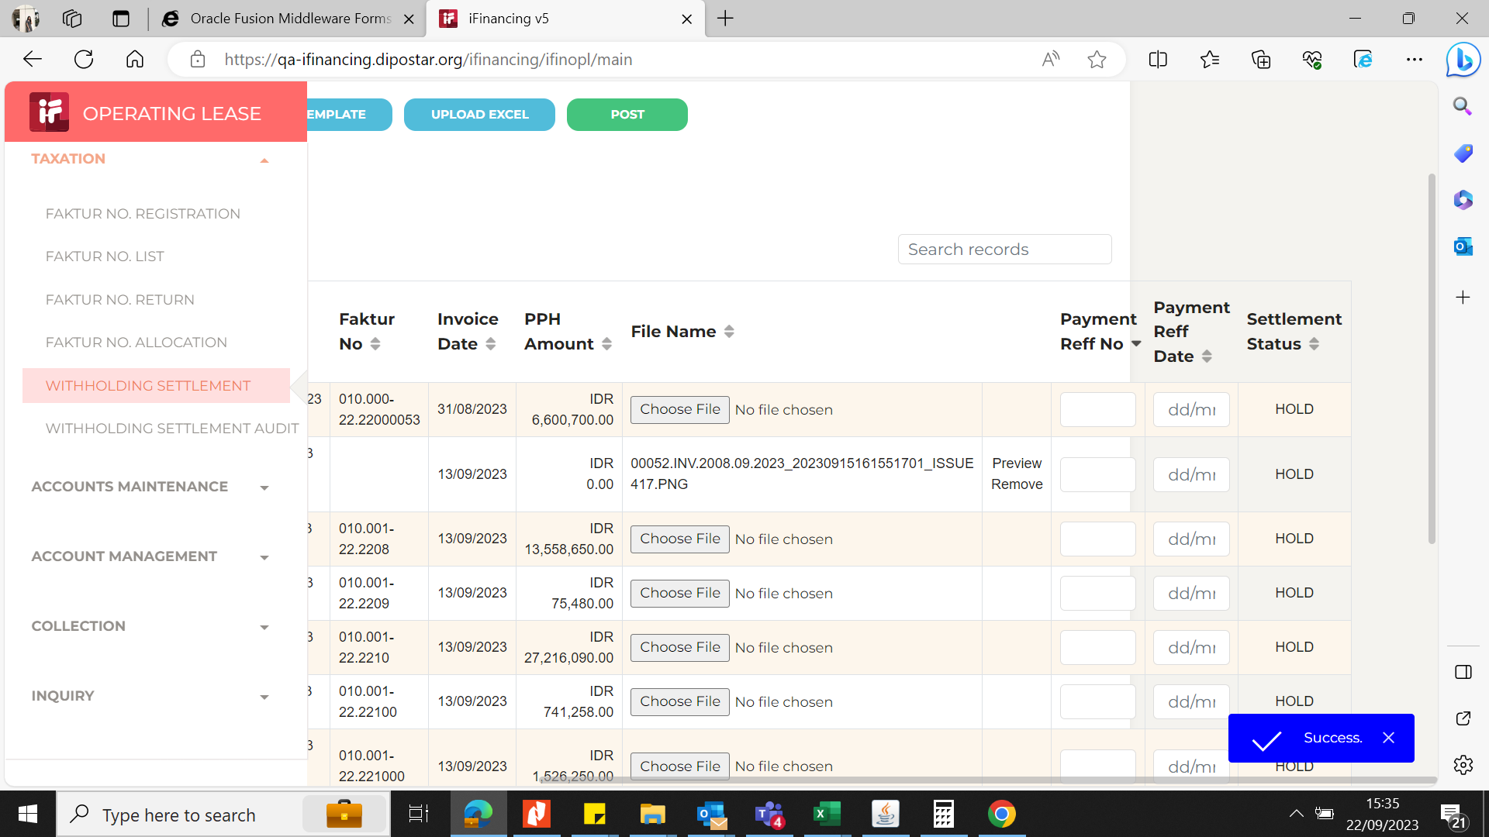
3

4
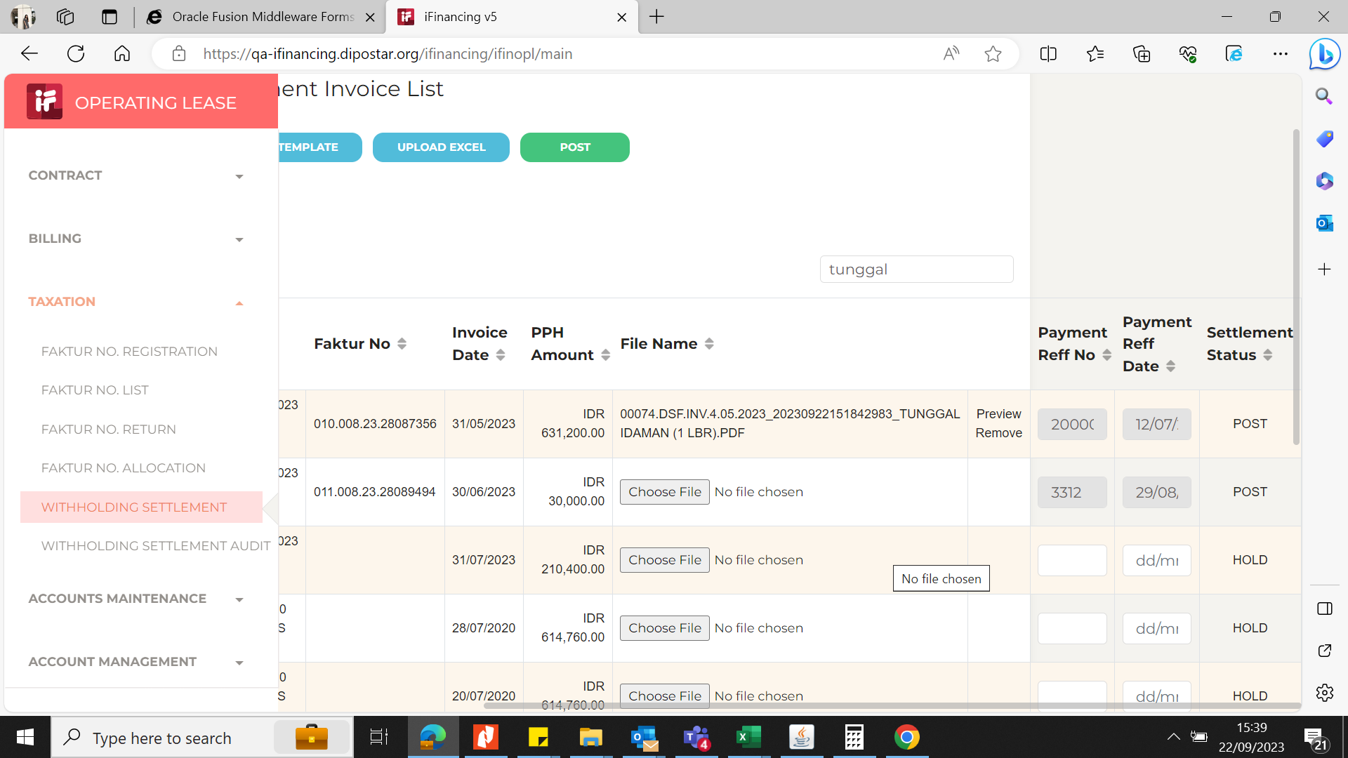

5

6

7

8

9

10

11

13

14

15

16

17

18

19

20

21

22

36

37

38

39

41

43

44

45

46

EVD_OPL 11-01 (HA 22Sep)
Test Case ID | OPL11-01 Tax-Withholding settlement
Test Case Summary | Lakukan Post Withholding Settelment untuk satu Invoice

Step # | Test Evidence | Re-Test Evidence (if found Bug/Issue)
1

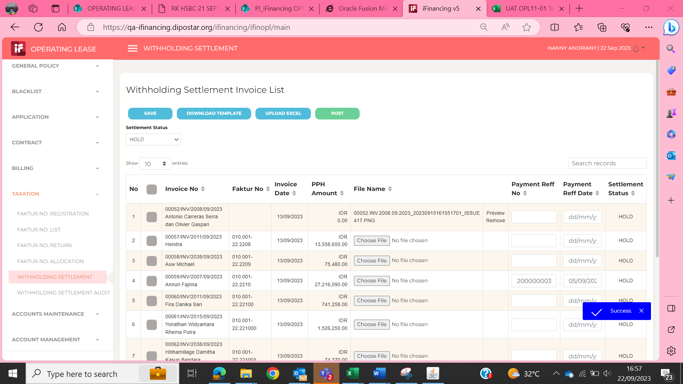

2
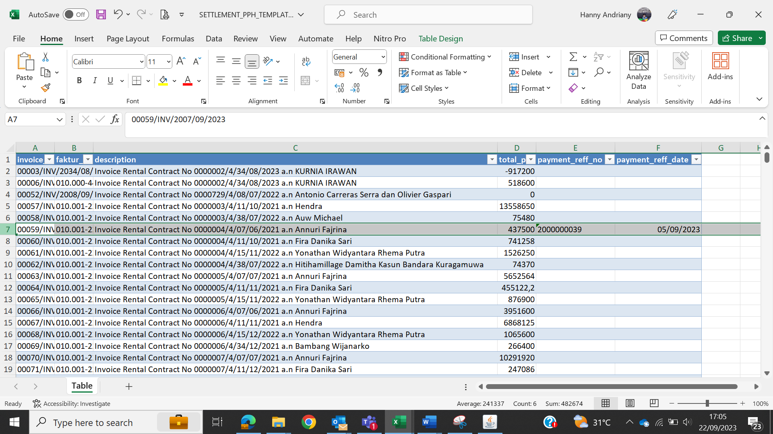

3
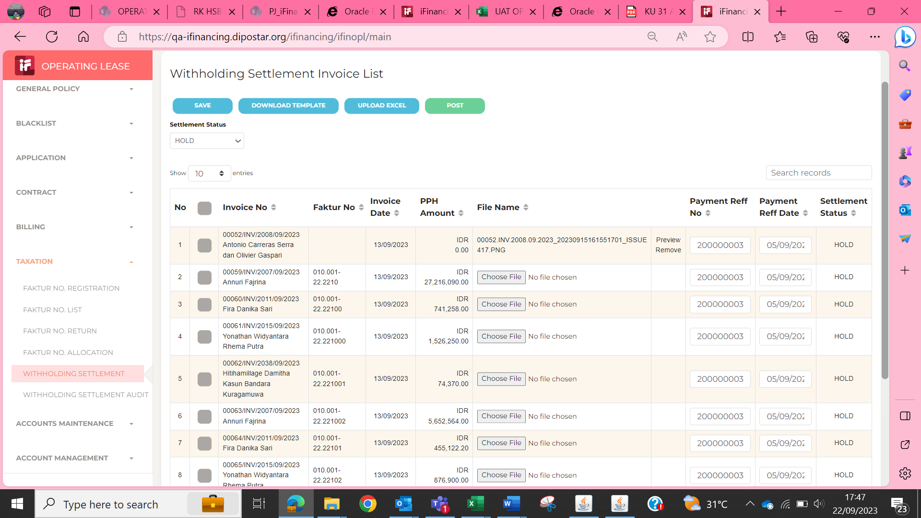

4
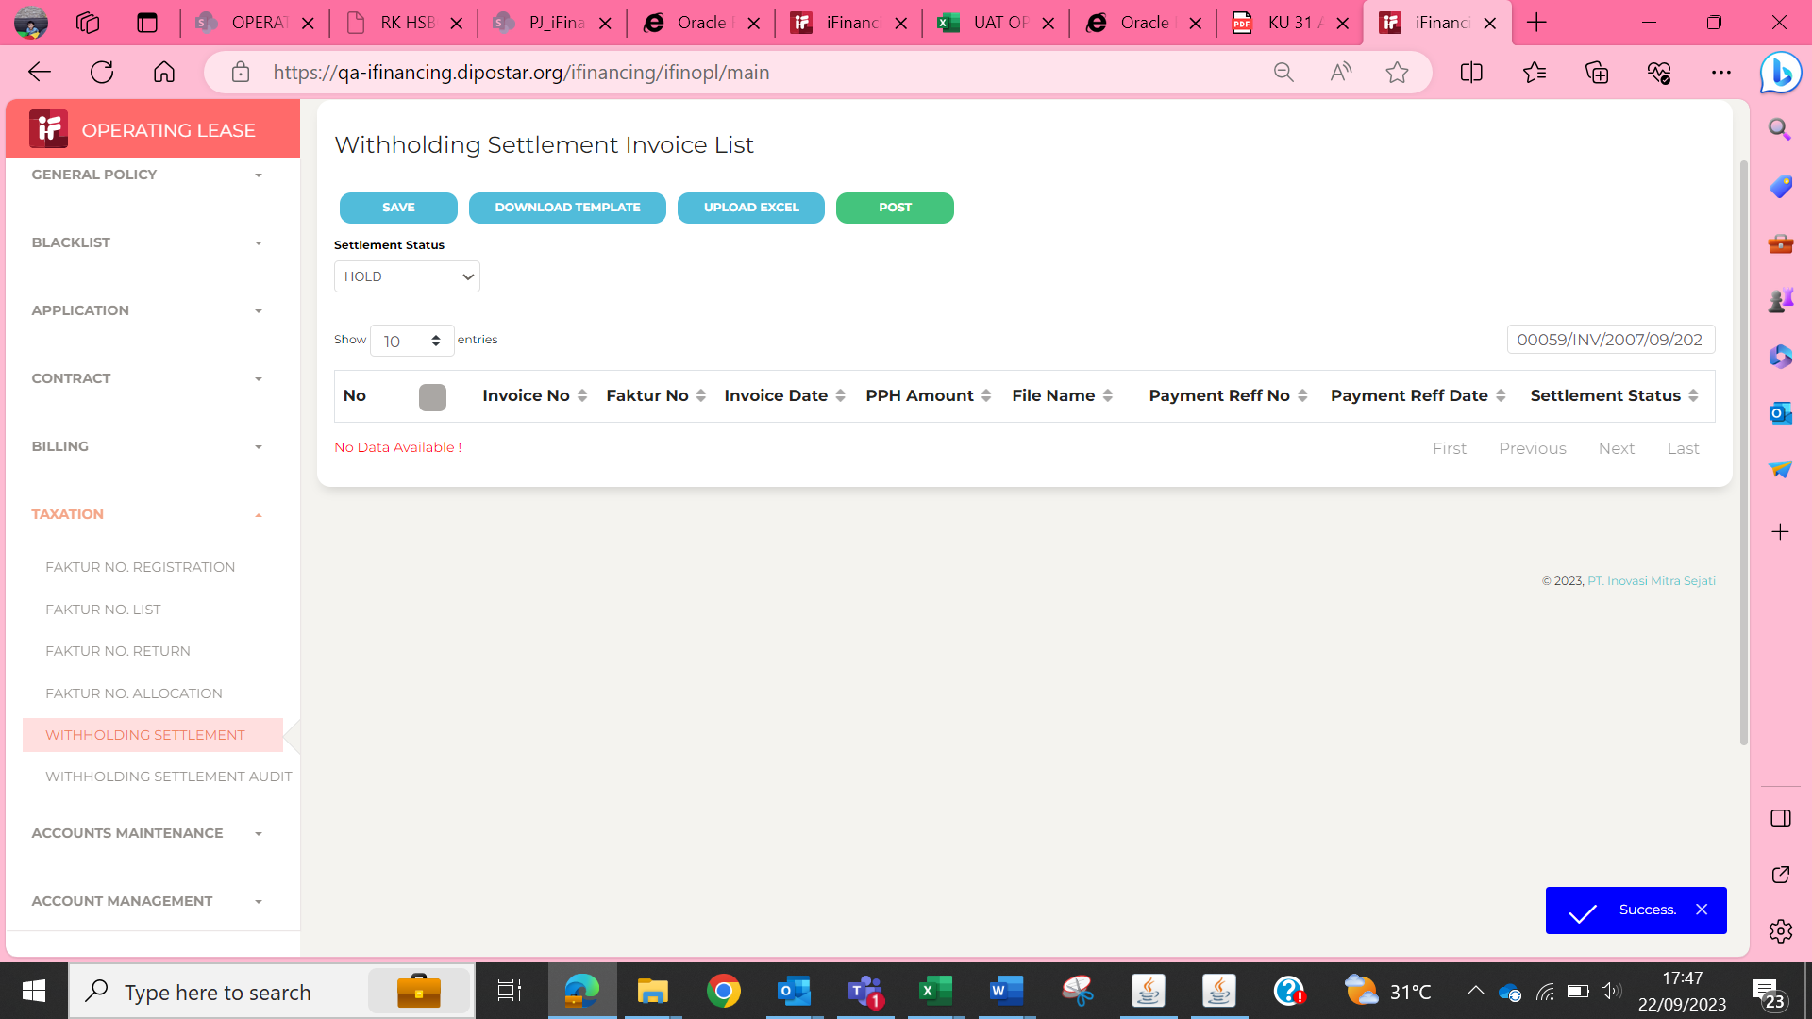

5

6

7

8

9

10

11

13

14

15

16

17

18

19

20

21

22

36

37

38

39

41

43

44

45

46

